Sheet1
 | Description: Ladies Avia Running Shorts with Bike Liner (1-3AB)
 | UPC | Retail | Units Per Case | Cases | Color | Picture | Size | Total | Number of Pallets
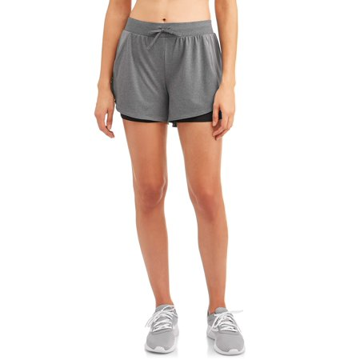
 |  |  |  | 81 |  |  | Medium | 972 | 1

 |  |  |  | 76 |  |  | Large | 912 | 1

 | 4719849115402 | $9.96 | 12 | 29 | Grey |  | XLarge | 348 | 1
 |  |  |  | 81 |  |  | Large | 972 | 1

 |  |  |  | 38 |  |  | Medium | 456 | 1

 |  |  |  | 55 |  |  | Small | 660 | 1

 | Description: Ladies Avia Running Shorts with Bike Liner (1-3B)
 | UPC | Retail | Units Per Case | Cases | Color | Picture | Size | Total | Number of Pallets
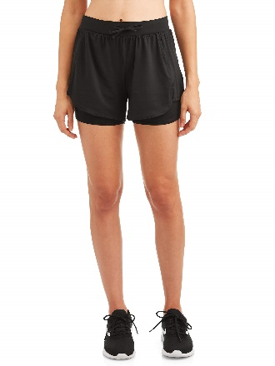
 |  |  |  | 81 |  |  | Small | 972 | 1

 |  |  |  | 65 |  |  | Large | 780 | 1

 | 4719849115061 | $9.96 | 12 | 48 | Black |  | XLarge | 576 | 1

 |  |  |  | 14 |  |  | Small | 168 | 1

 |  |  |  | 81 |  |  | Medium | 972 | 1

 | Description: Ladies Avia Running Shorts with Bike Liner (1-3B)
 | UPC | Retail | Units Per Case | Cases | Color | Picture | Size | Total | Number of Pallets
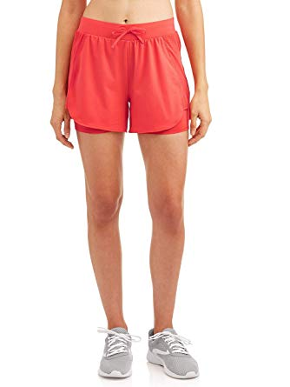

 |  |  |  | 40 |  |  | Medium | 480 | 1
 | 4719849115252 | $9.96 | 12 |  | Red
 |  |  |  | 54 |  |  | Large | 648 | 1

 | Description: Ladies Avia Running Shorts with Bike Liner (1-3B)
 | UPC | Retail | Units Per Case | Cases | Color | Picture | Size | Total | Number of Pallets
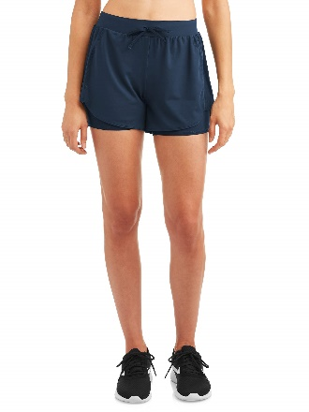

 | 4719849115122 | $9.96 | 12 | 62 | Dark Blue |  | Medium | 744 | 1

 | Description: Women's No Boundaries Leggings
 | UPC | Retail | Units Per Case | Cases | Color | Picture | Size | Total | Number of Pallets
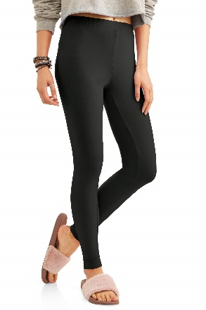

 | 192164207279 | $5.97 | 24 | 58 | BLKSOT |  | XXLarge | 1392 | 1

 | Description: Women's No Boundaries Leggings with Side Stripe
 | UPC | Retail | Units Per Case | Cases | Color | Picture | Size | Total | Number of Pallets
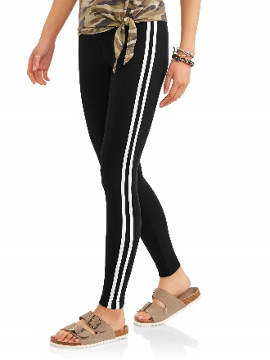
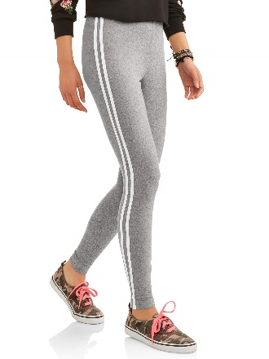

 | 192164201567 | $5.97 | 24 | 5 | BLKSOT |  | Small | 120

 |  |  |  |  |  |  |  |  | 1

 | 192164201604 | $5.97 | 24 | 30 | MDHEGY |  | Small | 720

 | Description: Women's No Boundaries Leggings with Side Stripe
 | UPC | Retail | Units Per Case | Cases | Color | Picture | Size | Total | Number of Pallets

 |  |  |  | 56 |  |  | XXLarge | 1344 | 1

 | 192164201567 | $5.97 | 24 | 13 | BLKSOT |  | XLarge | 312 | 1

 |  |  |  | 30 |  |  | XXLarge | 720 | 1

 | Description: Women's No Boundaries Leggings with Side Stripe
 | UPC | Retail | Units Per Case | Cases | Color | Picture | Size | Total | Number of Pallets

 | 192164201567 | $5.97 | 24 | 63 | BLKSOT |  | Medium | 1512

 |  |  |  |  |  |  |  |  | 1

 | 192164201604 | $5.97 | 24 | 5 | MDHEGY |  | Medium | 120

 | Description: Women's No Boundaries Leggings with Side Stripe
 | UPC | Retail | Units Per Case | Cases | Color | Picture | Size | Total | Number of Pallets

 | 192164201567 | $5.97 | 24 | 23 | BLKSOT |  | Large | 552

 |  |  |  |  |  |  |  |  | 1

 | 192164201604 | $5.97 | 24 | 33 | MDHEGY |  | Large | 792

 | Description: Women's No Boundaries Leggings with Side Stripe
 | UPC | Retail | Units Per Case | Cases | Color | Picture | Size | Total | Number of Pallets

 | 192164201567 | $5.97 | 24 | 21 | BLKSOT |  | Large | 504

 |  |  |  |  |  |  |  |  | 1

 | 192164201604 | $5.97 | 24 | 35 | MDHEGY |  | Large | 840

 | Description: Women's No Boundaries Leggings with Side Stripe
 | UPC | Retail | Units Per Case | Cases | Color | Picture | Size | Total | Number of Pallets

 | 192164201567 | $5.97 | 24 | 34 | BLKSOT |  | Large | 816

 |  |  |  |  |  |  |  |  | 1

 | 192164201604 | $5.97 | 24 | 22 | MDHEGY |  | Large | 528

 | Description: Women's No Boundaries Leggings with Side Stripe
 | UPC | Retail | Units Per Case | Cases | Color | Picture | Size | Total | Number of Pallets

 | 192164201567 | $5.97 | 24 | 19 | BLKSOT |  | Large | 456

 |  |  |  |  |  |  |  |  | 1

 | 192164201604 | $5.97 | 24 | 1 | MDHEGY |  | Large | 24

 | Description: Athletic Works Long Sleeve Graphic Performance Long Sleeve Shirt (1-3B)
 | UPC | Retail | Units Per Case | Cases | Color | Picture | Xsmall | Small | Medium | Large | Xlarge | XXlarge | Plus | Total on each Pallet | Number of Pallets

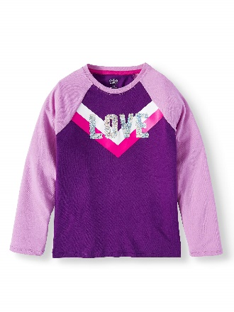
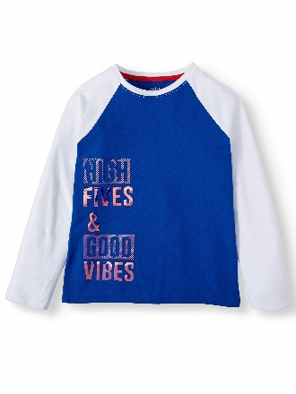
 | 8809598111929 | $6.74 |  |  | Pretty Purple |  | 2 | 3 | 5 | 5 | 5 | 2 | 2

 |  |  |  | 38 |  |  |  |  |  |  |  |  |  | 1824 | 1
 |  |  | 48
 |  |  |  | 25 |  |  |  |  |  |  |  |  |  | 1200 | 1

 | 8809598112018 | $6.74 |  |  | Royal Spice |  | 2 | 3 | 5 | 5 | 5 | 2 | 2

 | Description: Athletic Works Long Sleeve Graphic Performance Long Sleeve Shirt (1-3B)
 | UPC | Retail | Units Per Case | Cases | Color | Picture | Xsmall | Small | Medium | Large | Xlarge | XXlarge | Plus | Total | Number of Pallets

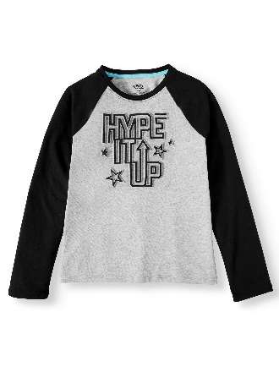
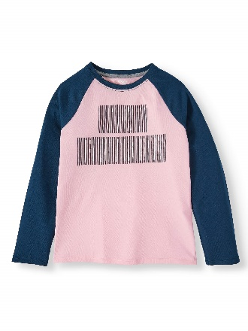
 | 8809598111776 | $6.74 |  |  | Pink Frost |  | 2 | 3 | 5 | 5 | 5 | 2 | 2

 |  |  | 48 | 23 |  |  |  |  |  |  |  |  |  | 1104 | 1

 | 8809598111868 | $6.74 |  |  | Light Grey Heather |  | 3 | 3 | 5 | 5 | 5 | 2 | 2

 | Description: Secret Treasures Women's French Terry Sleep Tops and Bottoms (1-4B)
 | UPC | Retail | Units Per Case | Cases | Color | Picture |  |  |  | Small | Medium | Large | Xlarge | 2Xlarge | 3Xlarge | Total per Pallet | Number of Pallets
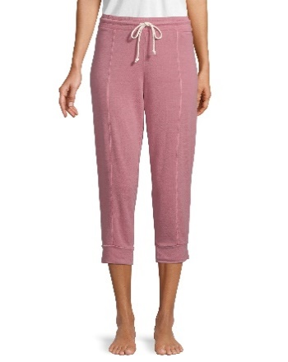
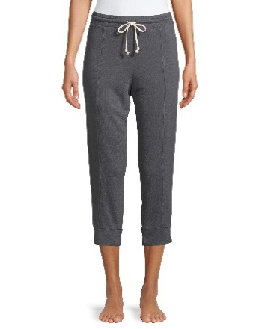
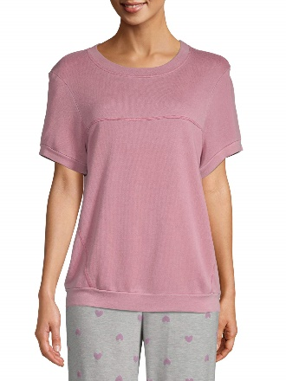
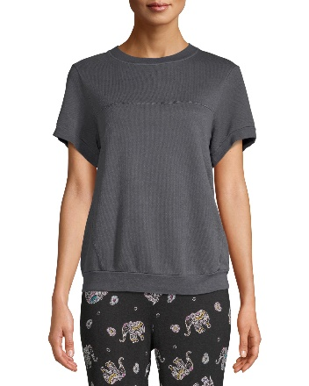
 | 8809609868613 | $9.63 | 24 | 8 | Antique Rose |  |  |  |  | 1 | 1 | 3 | 3 | 2 | 2 | 192
 | 8809609868675 | $9.63 |  | 8 | Greystone |  |  |  |  | 2 | 2 | 2 | 3 | 2 | 1 | 192

 |  |  |  |  |  |  |  |  |  |  |  |  |  |  |  |  | 1

 | 8809609868910 | $11.63 | 24 | 6 | Antique Rose |  |  |  |  | 3 | 3 | 3 | 2 | 1 |  | 144
 | 8809609868859 | $11.63 |  | 6 | Greystone |  |  |  |  | 3 | 3 | 2 | 2 | 1 | 1 | 144

 |  |  |  |  |  |  |  |  |  |  |  |  |  |  |  | 672

Description: SO Dolphin Hem Pull on Shorts (1-2B)
UPC on the Box | UPC of the Shorts | Retail | Units Per Case | Cases | Color | Picture | Xsmall | Small | Medium | Large | Xlarge | Total per Pallet | Number of Pallets | Total Units
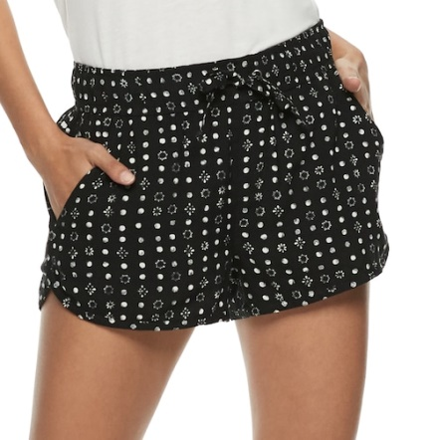
400104195495 |  |  |  | 52 |  |  | 1 | 1 | 3 | 2 | 1 | 416 | 3 | 1248

400104195488 |  |  |  | 52 |  |  | 1 | 2 | 2 | 2 | 1 | 416 | 4 | 1664
 | 4002075578138 | $32.00 | 8 |  | Black
400104195822 |  |  |  | 52 |  |  | 2 | 1 | 2 | 2 | 1 | 416 | 1 | 416

400104195808 |  |  |  | 39 |  |  | 1 | 2 | 3 | 1 | 1 | 312 | 6 | 1872

Description: SO Dolphin Hem Pull on Shorts (1-2B)
UPC on the Box | UPC of the Shorts | Retail | Units Per Case | Cases | Color | Picture | Xsmall | Small | Medium | Large | Xlarge | Total per Pallet | Number of Pallets | Total Units
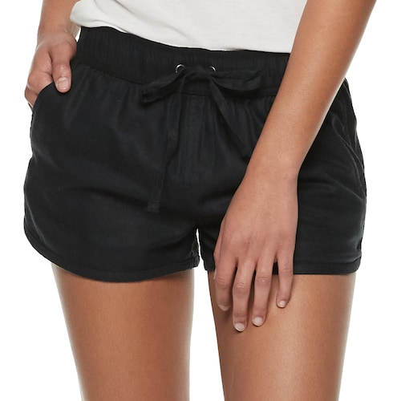
400104195662 |  |  |  | 21 |  |  | 2 | 1 | 2 | 2 | 1 | 168 | 1 | 168

400104195655 |  |  |  | 52 |  |  | 1 | 1 | 3 | 2 | 1 | 416 | 3 | 1248

400104195648 | 400757707007 | $32.00 | 8 | 52 | Caviar |  | 1 | 2 | 2 | 2 | 1 | 416 | 3 | 1248

400104195679 |  |  |  | 11 |  |  | 2 | 2 | 2 | 1 | 1 | 88 | 1 | 88

400104195747 |  |  |  | 39 |  |  | 1 | 2 | 3 | 1 | 1 | 312 | 5 | 1560

Description: SO Dolphin Hem Pull on Shorts (1-2B)
UPC on the Box | UPC of the Shorts | Retail | Units Per Case | Cases | Color | Picture | Xsmall | Small | Medium | Large | Xlarge | Total per Pallet | Number of Pallets | Total Units
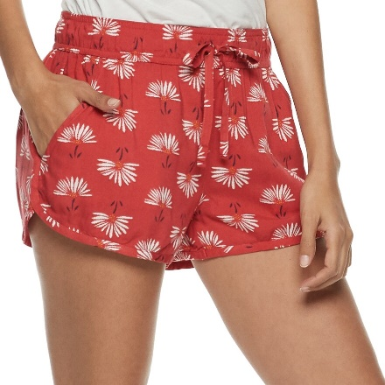

400104195525 | 400207557251 | $32.00 | 8 | 35 | Red |  | 1 | 2 | 2 | 2 | 1 | 280 | 1 | 280

Description: SO Dolphin Hem Pull on Shorts (1-2B)
UPC on the Box | UPC of the Shorts | Retail | Units Per Case | Cases | Color | Picture | Xsmall | Small | Medium | Large | Xlarge | Total per Pallet | Number of Pallets | Total Units
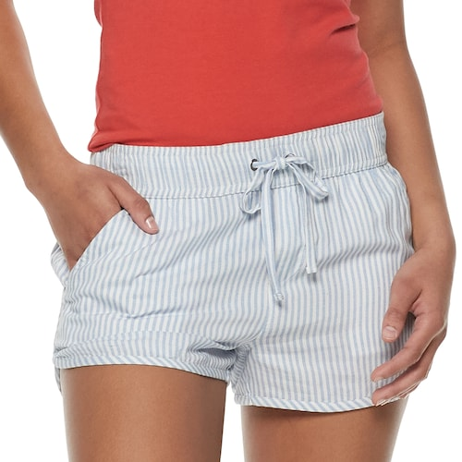
400104195860 |  |  |  | 52 |  |  | 1 | 2 | 3 | 1 | 1 | 416 | 5 | 2080

400104195570 |  |  |  | 52 |  |  | 1 | 1 | 3 | 2 | 1 | 416 | 2 | 832
 | 400207557312 | $32.00 | 8 |  | White
400104195884 |  |  |  | 38 |  |  | 2 | 1 | 2 | 2 | 1 | 304 | 3 | 912

400104195563 |  |  |  | 52 |  |  | 1 | 2 | 2 | 2 | 1 | 416 | 4 | 1664

 | Description: Women's Mossy Oak Shirts (1-2AB)
 | UPC | Retail | Units Per Case | Cases | Color | Picture | Size | Total | Number of Pallets
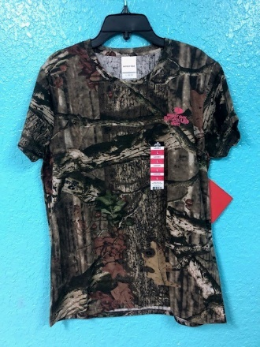
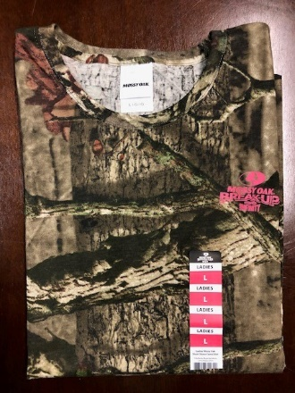

 | 883096302629 | $4.93 |  |  | Camo |  | Large | 2736 | 3

 | Description: Secret Treasures Women's Sleepwear Jog Pants (1-3B)
 | UPC | Retail | Units Per Case | Cases | Color | Picture | Small | Medium | Xlarge | Total | Number of Pallets

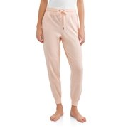
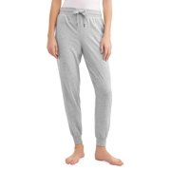
 | 886944631360 | $14.76 | 12 | 5 | lgyhtr |  | 60 |  |  | 324 | 1
 |  |  |  | 22 |  |  |  | 264

 |  |  |  | 3 |  |  | 36
 | 886944631421 | $14.76 | 12 | 11 | pchlly |  |  | 132 |  | 240 | 1
 |  |  |  | 6 |  |  |  |  | 72

 | Description: Secret Treasures Women's Sleepwear Jog Shorts (1-3B)
 | UPC | Retail | Units Per Case | Cases | Color | Picture | Small | Medium | Large | Xlarge | Total | Number of Pallets
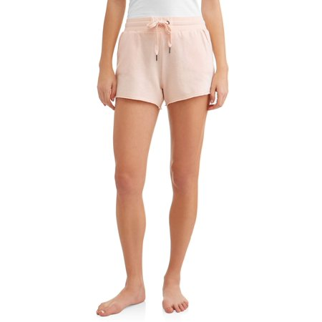

 |  |  |  | 3 |  |  | 36
 | 886944630851 | $9.46 | 12 | 6 | pchlly |  |  | 72 |  |  | 240 | 1
 |  |  |  | 5 |  |  |  |  | 60
 |  |  |  | 6 |  |  |  |  |  | 72

 | Description: Harry Potter Sweatshirts and Joggers (1-3AB)
 | UPC | Retail | Units Per Case | Cases | Color | Picture | Small | Large | Xlarge | XXlarge | Total | Number of Pallets
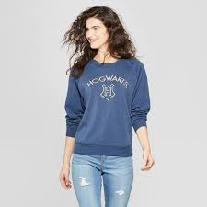
 | 490060308152 - J | $19.98 |  |  | Blue |  | 1002

 | 490060308114 - S | $19.98 |  |  | Blue |  |  | 234

 | 490060308305 - S | $19.98 |  |  | Red |  |  |  |  | 654 | 1998 | 8

 | 490060308121 - S | $19.98 |  |  | Blue |  |  |  | 66

 | 490060308312 - S | $19.98 |  |  | Red |  |  |  |  | 42

 | Description: Women's TGT Hoodies
 | UPC | Retail | Units Per Case | Cases | Color | Picture |  |  | Xsmal | Small | Medium | Large | Xlarge | XXlarge | Total | Number of Pallets
 | 490060308534 | $24.98 |  |  | Grayson Wine |  |  |  |  |  |  | 72
 | 490060308374 | $24.98 |  |  | Blue |  |  |  |  |  |  |  |  | 108
 | 490060308411 | $24.98 |  |  | Heather Gray |  |  |  |  |  |  | 228
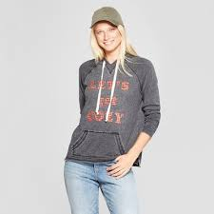
 | 490060308442 | $24.98 |  |  | Black |  |  |  | 72
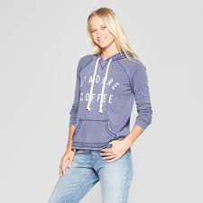
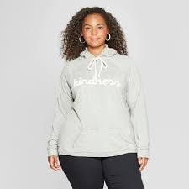
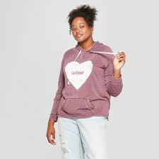
 | 490060308459 | $24.98 |  |  | Black |  |  |  |  | 102
 | 490060308503 | $24.98 |  |  | Grayson Wine |  |  |  | 54
 | 490060308350 | $24.98 |  |  | Blue |  |  |  |  |  |  | 312
 | 490060308497 | $24.98 |  |  | Black |  |  |  |  |  |  |  |  | 162
 | 490060308480 | $24.98 |  |  | Black |  |  |  |  |  |  |  | 324 |  | 2874 | 7
 | 490060308343 | $24.98 |  |  | Blue |  |  |  |  |  | 18
 | 490060308510 | $24.98 |  |  | Grayson Wine |  |  |  |  | 318
 | 490060308428 | $24.98 |  |  | Heather Gray |  |  |  |  |  |  |  | 180
 | 490060308367 | $24.98 |  |  | Blue |  |  |  |  |  |  |  | 18
 | 490060308336 | $24.98 |  |  | Blue |  |  |  |  | 168
 | 490060308527 | $24.98 |  |  | Grayson Wine |  |  |  |  |  | 30
 | 490060308466 | $24.98 |  |  | Black |  |  |  |  |  | 558
 | 490060308541 | $24.98 |  |  | Grayson Wine |  |  |  |  |  |  |  | 150

 |  |  |  |  | Total Units | 48904
 |  |  |  |  | Total Pallets | 91

